Operaciones
OPERACIONES
Equity por operaciones
MARKET | Long/Short | Date | Price | Ex. date | Ex. Price | Num | PnL | Cum. Profit
NATURAL GAS | Short | 2020-02-10 | 3.451 | 2020-02-13 | 3.507 | 2 | -1,220.0 | -1,220
S&P500 | Long | 2020-02-05 | 3297 | 2020-02-20 | 3314.75 | 1 | 787.5 | -433
EURO FX | Short | 2020-02-05 | 1.1154 | 2020-02-21 | 1.09995 | 2 | 3,762.5 | 3,330
FEEDER CATTLE | Long | 2020-02-19 | 137 | 2020-02-24 | 134.225 | 1 | -1,487.5 | 1,843
SOYBEAN MEAL | Short | 2020-02-24 | 304.6 | 2020-02-27 | 311.8 | 4 | -2,980.0 | -1,138
GOLD | Long | 2020-02-18 | 1665.4 | 2020-02-28 | 1693.5 | 1 | 2,710.0 | 1,573
NATURAL GAS | Short | 2020-02-27 | 3.405 | 2020-03-03 | 3.479 | 2 | -1,580.0 | -8
LEAN HOGS | Short | 2020-02-27 | 55.525 | 2020-03-05 | 57.6 | 2 | -1,760.0 | -1,768
NATURAL GAS | Short | 2020-03-09 | 3.29 | 2020-03-10 | 3.495 | 1 | -2,150.0 | -3,918
T-BOND | Long | 2020-02-20 | 160.75 | 2020-03-12 | 175.4063 | 1 | 14,556.3 | 10,639
KC WHEAT | Short | 2020-03-09 | 470.25 | 2020-03-18 | 471.75 | 2 | -250.0 | 10,389
LEAN HOGS | Short | 2020-03-12 | 54.3 | 2020-03-20 | 55.575 | 1 | -610.0 | 9,779
NATURAL GAS | Short | 2020-03-18 | 3.258 | 2020-03-25 | 3.348 | 1 | -1,000.0 | 8,779
EURO FX | Short | 2020-03-19 | 1.0923 | 2020-03-25 | 1.10095 | 1 | -1,181.3 | 7,598
CRUDE OIL | Short | 2020-02-26 | 109.22 | 2020-04-02 | 80.91 | 1 | 28,210.0 | 35,808
NATURAL GAS | Short | 2020-04-02 | 3.167 | 2020-04-06 | 3.275 | 1 | -1,180.0 | 34,628
LEAN HOGS | Short | 2020-03-31 | 44.9 | 2020-04-08 | 36.9 | 1 | 3,100.0 | 37,728
KC WHEAT | Long | 2020-04-20 | 537 | 2020-04-24 | 514 | 2 | -2,400.0 | 35,328
SOYBEAN MEAL | Short | 2020-04-21 | 296.6 | 2020-04-30 | 300.8 | 2 | -940.0 | 34,388
NATURAL GAS | Short | 2020-05-13 | 3.151 | 2020-05-18 | 3.24 | 1 | -990.0 | 33,398
SOYBEAN MEAL | Short | 2020-05-19 | 290.3 | 2020-06-01 | 291.1 | 3 | -340.0 | 33,058
NATURAL GAS | Short | 2020-06-01 | 3.094 | 2020-06-05 | 3.208 | 1 | -1,240.0 | 31,818
NATURAL GAS | Short | 2020-06-10 | 3.089 | 2020-06-11 | 3.176 | 1 | -970.0 | 30,848
NATURAL GAS | Short | 2020-06-15 | 3.021 | 2020-06-22 | 3.031 | 1 | -200.0 | 30,648
KC WHEAT | Short | 2020-06-16 | 460.75 | 2020-06-24 | 458 | 2 | 175.0 | 30,823
NATURAL GAS | Short | 2020-06-24 | 2.944 | 2020-06-29 | 3.003 | 1 | -690.0 | 30,133
KC WHEAT | Short | 2020-06-26 | 448 | 2020-06-30 | 455 | 2 | -800.0 | 29,333
SOYBEAN MEAL | Short | 2020-06-29 | 287.6 | 2020-07-01 | 292.7 | 4 | -2,140.0 | 27,193
LEAN HOGS | Short | 2020-06-16 | 40.925 | 2020-07-09 | 35.775 | 1 | 1,960.0 | 29,153
FEEDER CATTLE | Long | 2020-07-13 | 134.5 | 2020-07-27 | 138.6 | 1 | 1,950.0 | 31,103
EURO FX | Long | 2020-07-15 | 1.1502 | 2020-08-03 | 1.178 | 1 | 3,375.0 | 34,478
FEEDER CATTLE | Long | 2020-07-31 | 141.675 | 2020-08-06 | 141.9 | 1 | 12.5 | 34,490
T-BOND | Long | 2020-07-30 | 181.1563 | 2020-08-07 | 180.8125 | 1 | -443.8 | 34,046
COTTON No 2 | Long | 2020-08-06 | 66.98 | 2020-08-07 | 65.62 | 2 | -1,460.0 | 32,586
GOLD | Long | 2020-07-21 | 1860.5 | 2020-08-11 | 2031 | 1 | 16,950.0 | 49,536
SOYBEAN MEAL | Short | 2020-08-04 | 286 | 2020-08-11 | 286.3 | 3 | -190.0 | 49,346
KC WHEAT | Short | 2020-08-04 | 438.5 | 2020-08-13 | 435.75 | 2 | 175.0 | 49,521
FEEDER CATTLE | Long | 2020-08-12 | 143.8 | 2020-08-17 | 141.475 | 1 | -1,262.5 | 48,259
EURO FX | Long | 2020-08-18 | 1.198 | 2020-08-20 | 1.18895 | 1 | -1,231.3 | 47,028
NATURAL GAS | Long | 2020-08-24 | 3.687 | 2020-08-27 | 3.609 | 1 | -880.0 | 46,148
COTTON No 2 | Long | 2020-08-24 | 67.13 | 2020-08-28 | 66.83 | 2 | -400.0 | 45,748
NATURAL GAS | Long | 2020-08-28 | 3.821 | 2020-09-02 | 3.603 | 1 | -2,280.0 | 43,468
S&P500 | Long | 2020-08-21 | 3378.75 | 2020-09-03 | 3467.25 | 1 | 4,325.0 | 47,793
EURO FX | Long | 2020-09-01 | 1.2027 | 2020-09-03 | 1.18785 | 1 | -1,956.3 | 45,836
CRUDE OIL | Short | 2020-09-08 | 40.11 | 2020-09-15 | 38.94 | 1 | 1,070.0 | 46,906
COTTON No 2 | Long | 2020-09-14 | 68.53 | 2020-09-18 | 67.68 | 2 | -950.0 | 45,956
NATURAL GAS | Short | 2020-09-30 | 2.901 | 2020-10-05 | 3.03 | 1 | -1,390.0 | 44,566
SOYBEAN MEAL | Long | 2020-10-02 | 344.3 | 2020-10-12 | 347.8 | 2 | 600.0 | 45,166
KC WHEAT | Long | 2020-10-05 | 519.25 | 2020-10-14 | 529.75 | 2 | 950.0 | 46,116
LEAN HOGS | Long | 2020-09-23 | 57.275 | 2020-10-22 | 67.05 | 1 | 3,810.0 | 49,926
KC WHEAT | Long | 2020-10-15 | 556.5 | 2020-10-23 | 562.25 | 2 | 475.0 | 50,401
COTTON No 2 | Long | 2020-10-05 | 69.01 | 2020-10-28 | 73.18 | 3 | 6,155.0 | 56,556
SOYBEAN MEAL | Long | 2020-10-15 | 365.2 | 2020-10-28 | 371.9 | 1 | 570.0 | 57,126
CRUDE OIL | Short | 2020-10-29 | 37.16 | 2020-11-03 | 38.06 | 1 | -1,000.0 | 56,126
NATURAL GAS | Long | 2020-10-30 | 3.529 | 2020-11-03 | 3.297 | 1 | -2,420.0 | 53,706
T-BOND | Short | 2020-11-03 | 172.5625 | 2020-11-04 | 174.4688 | 1 | -2,006.3 | 51,700
KC WHEAT | Long | 2020-11-05 | 583.25 | 2020-11-09 | 554 | 2 | -3,025.0 | 48,675
T-BOND | Short | 2020-11-09 | 171.0938 | 2020-11-13 | 173.3438 | 1 | -2,350.0 | 46,325
SOYBEAN MEAL | Long | 2020-11-05 | 385.9 | 2020-11-30 | 386.5 | 2 | 20.0 | 46,345
FEEDER CATTLE | Long | 2020-12-01 | 142.225 | 2020-12-04 | 139.225 | 1 | -1,600.0 | 44,745
EURO FX | Long | 2020-11-25 | 1.19595 | 2020-12-09 | 1.211 | 2 | 3,662.5 | 48,407
NATURAL GAS | Short | 2020-12-03 | 2.671 | 2020-12-10 | 2.545 | 1 | 1,160.0 | 49,567
KC WHEAT | Long | 2020-12-11 | 584.75 | 2020-12-16 | 558 | 2 | -2,775.0 | 46,792
COTTON No 2 | Long | 2020-12-10 | 74.27 | 2020-12-21 | 75.34 | 2 | 970.0 | 47,762
S&P500 | Long | 2020-12-17 | 3707.75 | 2020-12-21 | 3677.25 | 1 | -1,625.0 | 46,137
SOYBEAN MEAL | Long | 2020-12-18 | 395.6 | 2020-12-29 | 407.5 | 2 | 2,280.0 | 48,417
LEAN HOGS | Long | 2020-12-15 | 66.5 | 2020-12-31 | 70.275 | 2 | 2,920.0 | 51,337
EURO FX | Long | 2020-12-16 | 1.2209 | 2020-12-31 | 1.2246 | 2 | 825.0 | 52,162
KC WHEAT | Long | 2020-12-23 | 588 | 2020-12-31 | 603.5 | 2 | 1,450.0 | 53,612
S&P500 | Long | 2020-12-28 | 3724 | 2020-12-31 | 3748.75 | 1 | 1,137.5 | 54,750
COTTON No 2 | Long | 2020-12-30 | 77.41 | 2020-12-31 | 78.12 | 2 | 610.0 | 55,360

Equity
EQUITY POR DÍAS | DRAWDOWN POR DÍAS

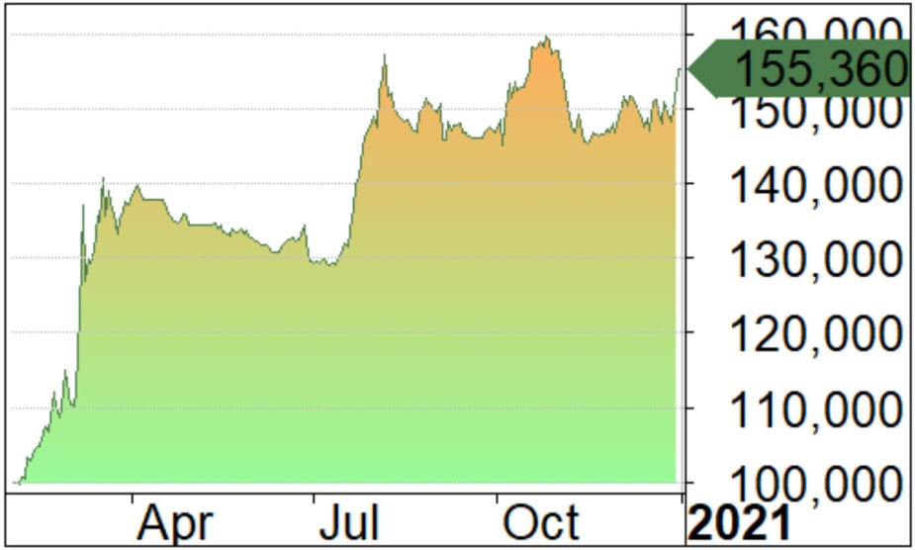
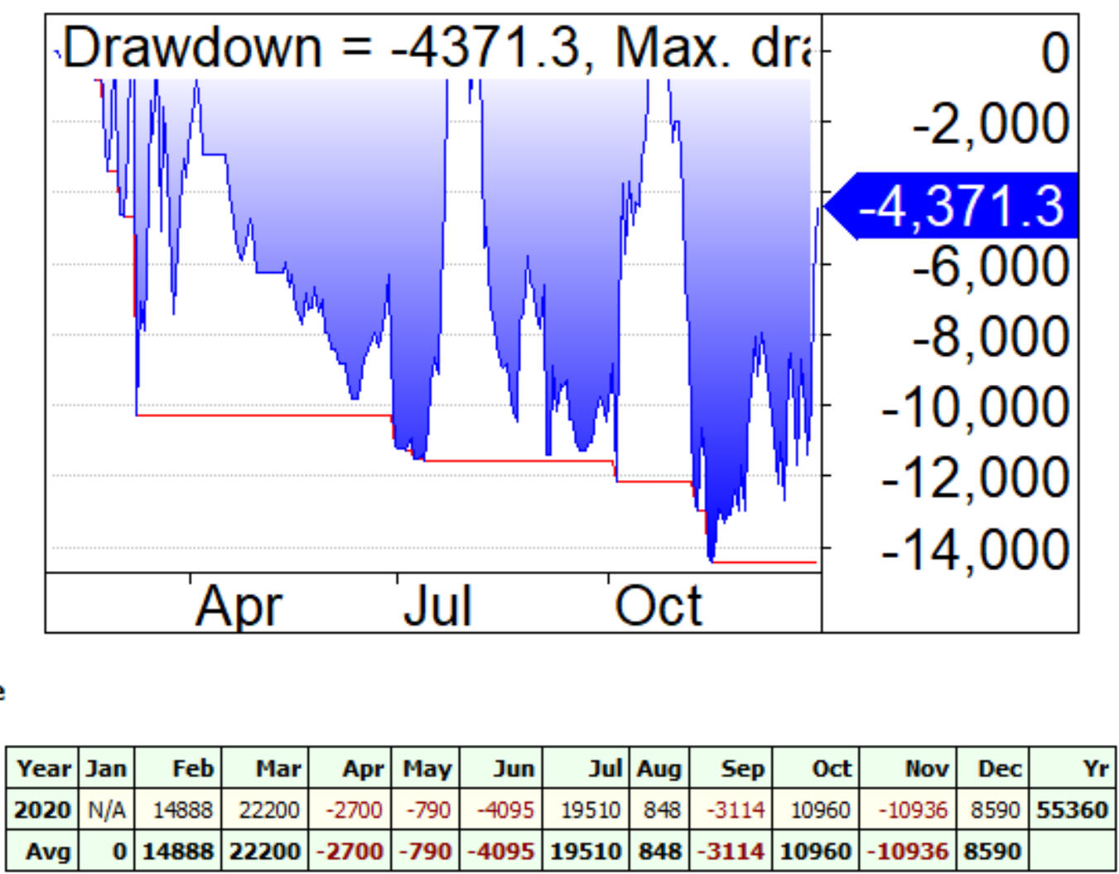

 |  | $PNL POR MESES

Estad
