Operaciones
Equity por operaciones
OPERACIONES
MARKET | Long/Short | Date | Price | Ex. date | Ex. Price | Num | PnL | Spread | Cum Profit
FNB | Short | 2022-01-07 | 13.54 | 2022-01-21 | 13.24 | 2960 | 868.0 |  | 100,000
WBS | Long | 2022-01-07 | 61.72 | 2022-01-21 | 63 | 646 | 806.9 | 1,675 | 101,675
VLY | Short | 2022-01-24 | 13.99 | 2022-01-27 | 14.77 | 2816 | -2,216.5 |  | 104,233
ZION | Long | 2022-01-24 | 60.54 | 2022-01-27 | 67.95 | 647 | 4,774.3 | 2,558 | 102,579
CNO | Long | 2022-01-06 | 25.02 | 2022-02-07 | 25.32 | 1620 | 466.0 |  | 102,680
GL | Short | 2022-01-06 | 98.96 | 2022-02-07 | 104.08 | 410 | -2,119.2 | -1,653 | 98,224
RF | Long | 2022-01-12 | 24.79 | 2022-02-07 | 24.355 | 1622 | -725.6 |  | 97,545
TFC | Short | 2022-01-12 | 65.77 | 2022-02-07 | 64.38 | 609 | 826.5 | 101 | 98,593
APA | Long (max loss) | 2022-01-05 | 30 | 2022-02-11 | 33.64 | 1357 | 4,919.5 |  | 99,091
OXY | Short (max loss) | 2022-01-05 | 33.19 | 2022-02-11 | 41 | 1198 | -9,376.4 | -4,457 | 100,010
VLY | Long | 2022-01-28 | 13.23 | 2022-02-16 | 14.34 | 2996 | 3,305.6 |  | 101,230
ZION | Short | 2022-01-28 | 66.79 | 2022-02-16 | 73.43 | 597 | -3,984.1 | -679 | 102,854
BXP | Long | 2022-02-22 | 121.07 | 2022-02-23 | 122.19 | 330 | 349.6 |  | 103,605
SLG | Short | 2022-02-22 | 82 | 2022-02-23 | 80.51 | 482 | 698.2 | 1,048 | 106,271
FNB | Short | 2022-02-22 | 13.55 | 2022-02-28 | 12.99 | 2936 | 1,624.2 |  | 106,847
WBS | Long | 2022-02-22 | 59.55 | 2022-02-28 | 57.9 | 670 | -1,125.5 | 499 | 107,777
CATY | Short | 2022-03-03 | 47.36 | 2022-03-07 | 44.25 | 847 | 2,614.2 |  | 105,722
FITB | Long | 2022-03-03 | 46.18 | 2022-03-07 | 44.25 | 868 | -1,695.2 | 919 | 105,380
CNO | Long | 2022-03-02 | 22.92 | 2022-03-09 | 23.53 | 1767 | 1,057.9 |  | 106,613
GL | Short | 2022-03-02 | 98.16 | 2022-03-09 | 97.72 | 412 | 161.3 | 1,219 | 105,051
FNB | Short | 2022-03-09 | 12.77 | 2022-03-15 | 12.92 | 3231 | -504.7 |  | 108,259
WBS | Long | 2022-03-09 | 54.98 | 2022-03-15 | 57.8 | 762 | 2,128.8 | 1,624 | 106,809
BXP | Short | 2022-03-07 | 122.8 | 2022-03-18 | 124.34 | 324 | -519.0 |  | 107,519
SLG | Long | 2022-03-07 | 78.63 | 2022-03-18 | 81.18 | 506 | 1,270.3 | 751 | 110,874
FNB | Long | 2022-03-24 | 12.82 | 2022-04-11 | 11.93 | 3164 | -2,836.0 |  | 112,651
WBS | Short | 2022-03-24 | 57.85 | 2022-04-11 | 49.95 | 699 | 5,502.1 | 2,666 | 113,254
BANR | Long | 2022-03-31 | 59.32 | 2022-04-13 | 55.39 | 676 | -2,676.7 |  | 112,727
SBCF | Short | 2022-03-31 | 35.65 | 2022-04-13 | 32.72 | 1117 | 3,252.8 | 576 | 112,847
CNO | Short | 2022-03-18 | 24.53 | 2022-04-22 | 25.6 | 1622 | -1,755.5 |  | 114,119
GL | Long | 2022-03-18 | 98.49 | 2022-04-22 | 105.17 | 405 | 2,685.4 | 930 | 114,084
BXP | Short | 2022-03-28 | 129.54 | 2022-05-02 | 117.99 | 308 | 3,537.4 |  | 114,985
SLG | Long | 2022-03-28 | 81.25 | 2022-05-02 | 69.76 | 485 | -5,592.7 | -2,055 | 113,875
RF | Short | 2022-04-20 | 21.92 | 2022-05-10 | 20.75 | 1845 | 2,138.7 |  | 114,978
TFC | Long | 2022-04-20 | 52.2 | 2022-05-10 | 49 | 769 | -2,480.8 | -342 | 116,136
BANR | Long | 2022-05-03 | 54.06 | 2022-05-10 | 55.91 | 740 | 1,349.0 |  | 117,877
SBCF | Short | 2022-05-03 | 33.67 | 2022-05-10 | 33.75 | 1192 | -115.4 | 1,234 | 111,463
CATY | Long | 2022-04-27 | 41.58 | 2022-05-31 | 40.93 | 973 | -652.5 |  | 113,081
FITB | Short | 2022-04-27 | 37.75 | 2022-05-31 | 38.59 | 1059 | -909.6 | -1,562 | 108,719
APA | Long | 2022-05-11 | 38.39 | 2022-06-03 | 47.4 | 1070 | 9,620.7 |  | 106,606
OXY | Short | 2022-05-11 | 59.94 | 2022-06-03 | 69.44 | 673 | -6,413.5 | 3,207 | 107,856
VLY | Short | 2022-04-22 | 12.67 | 2022-06-09 | 11.96 | 3132 | 2,203.7 |  | 110,041
ZION | Long | 2022-04-22 | 62.19 | 2022-06-09 | 56.52999 | 642 | -3,653.7 | -1,450 | 110,366
BANR | Short | 2022-06-13 | 53.5 | 2022-06-21 | 55.25 | 730 | -1,297.5 |  | 110,157
SBCF | Long | 2022-06-13 | 31.34 | 2022-06-21 | 32.96 | 1252 | 2,008.2 | 711 | 106,809
CNO | Short | 2022-06-13 | 18.53 | 2022-06-22 | 17.5 | 2109 | 2,152.3 |  | 106,244
GL | Long | 2022-06-13 | 90.16 | 2022-06-22 | 92.97 | 435 | 1,202.4 | 3,355 | 106,138
FNB | Long | 2022-06-10 | 11.26 | 2022-06-28 | 11.27 | 3496 | 15.0
WBS | Short | 2022-06-10 | 46.93 | 2022-06-28 | 44.77999 | 829 | 1,762.4 | 1,777
CBSH | Long | 2022-05-12 | 63.11429 | 2022-07-12 | 63.20953 | 632 | 40.2
RNST | Short | 2022-05-12 | 29.31 | 2022-07-12 | 28.88 | 1354 | 562.2 | 602
BANR | Short | 2022-07-15 | 56.41 | 2022-07-21 | 60.16 | 719 | -2,716.3
SBCF | Long | 2022-07-15 | 32.15 | 2022-07-21 | 33.89 | 1270 | 2,189.8 | -526
CNO | Long | 2022-06-27 | 18.47 | 2022-07-29 | 18.59 | 2171 | 240.5
GL | Short | 2022-06-27 | 99.25 | 2022-07-29 | 99.5 | 403 | -120.8 | 120
BANR | Long | 2022-08-02 | 61.38 | 2022-08-09 | 61.06001 | 651 | -228.3
SBCF | Short | 2022-08-02 | 36.28 | 2022-08-09 | 34.89 | 1094 | 1,500.7 | 1,272
CBSH | Long | 2022-07-28 | 65.82858 | 2022-08-11 | 68.93333 | 606 | 1,861.5
RNST | Short | 2022-07-28 | 32.87 | 2022-08-11 | 34.42 | 1211 | -1,897.1 | -36
CBSH | Long | 2022-09-01 | 65.68572 | 2022-09-08 | 65.69524 | 610 | -14.2
RNST | Short | 2022-09-01 | 33.1 | 2022-09-08 | 32.32 | 1199 | 915.2 | 901
PCH | Short | 2022-09-02 | 46.06468 | 2022-09-21 | 41.27913 | 869 | 4,138.6
WY | Long | 2022-09-02 | 34.5 | 2022-09-21 | 30.05 | 1175 | -5,248.8 | -1,110
APA | Short | 2022-09-15 | 41.38 | 2022-10-24 | 43.298 | 958 | -1,857.4
OXY | Long | 2022-09-15 | 65.8 | 2022-10-24 | 70.81 | 595 | 2,961.0 | 1,104
BXP | Short | 2022-09-30 | 75.54 | 2022-10-27 | 73.93 | 535 | 841.4
SLG | Long | 2022-09-30 | 39.57 | 2022-10-27 | 39.9 | 1021 | 316.9 | 1,158
PCH | Short | 2022-10-19 | 42.94282 | 2022-10-27 | 43.6083 | 909 | -624.9
WY | Long | 2022-10-19 | 29.46 | 2022-10-27 | 31.24 | 1340 | 2,365.2 | 1,740
CBSH | Long (max loss) | 2022-10-25 | 65.55238 | 2022-10-31 | 66.69524 | 614 | 681.7
RNST | Short (max loss) | 2022-10-25 | 33.84 | 2022-10-31 | 40.03 | 1143 | -7,095.2 | -6,413
RF | Short | 2022-11-08 | 22.87 | 2022-11-14 | 23.34 | 1752 | -843.4
TFC | Long | 2022-11-08 | 44.11 | 2022-11-14 | 46.84 | 909 | 2,461.6 | 1,618
BANR | Long (max loss) | 2022-11-07 | 73.2 | 2022-11-16 | 69.77 | 552 | -1,913.4
SBCF | Short (max loss) | 2022-11-07 | 30.85 | 2022-11-16 | 32.74 | 1285 | -2,448.7 | -4,362
ESS | Long | 2022-10-28 | 220.11 | 2022-12-07 | 210.57 | 180 | -1,737.2
UDR | Short | 2022-10-28 | 38.98 | 2022-12-07 | 39.33 | 1018 | -376.3 | -2,114
FNB | Long | 2022-11-09 | 14.11 | 2022-12-07 | 12.92 | 2820 | -3,375.8
WBS | Short | 2022-11-09 | 54.34 | 2022-12-07 | 47.93999 | 726 | 4,626.4 | 1,251
BXP | Long | 2022-11-23 | 70 | 2022-12-08 | 65 | 567 | -2,855.0
SLG | Short | 2022-11-23 | 40.18 | 2022-12-08 | 34.98 | 973 | 5,039.6 | 2,185
CATY | Short | 2022-12-07 | 43.12 | 2022-12-13 | 44.86 | 916 | -1,613.8
FITB | Long | 2022-12-07 | 32.38 | 2022-12-13 | 33.96 | 1240 | 1,939.2 | 325
FNB | Short | 2022-12-09 | 13.04 | 2023-01-02 | 13.05 | 3039 | -50.4
WBS | Long | 2022-12-09 | 47.505 | 2023-01-02 | 47.34 | 843 | -159.1 | -209
APA | Open Short | 2022-12-06 | 45.06 | 2023-01-02 | 46.68 | 875 | -1,437.5
OXY | Open Long | 2022-12-06 | 66.13 | 2023-01-02 | 62.99 | 602 | -1,910.3 | -3,348
PCH | Open Long | 2022-12-14 | 47.04333 | 2023-01-02 | 43.99 | 861 | -2,648.9
WY | Open Short | 2022-12-14 | 32.73 | 2023-01-02 | 31 | 1216 | 2,083.7 | -565
CATY | Open Long | 2022-12-28 | 41.02 | 2023-01-02 | 40.79 | 975 | -244.3
FITB | Open Short | 2022-12-28 | 32.94 | 2023-01-02 | 32.81 | 1219 | 138.5 | -106

Equity
EQUITY POR DÍAS | DRAWDOWN POR DÍAS

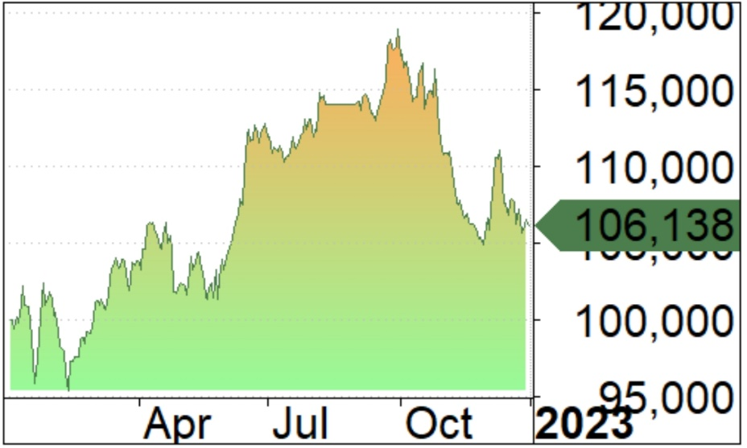
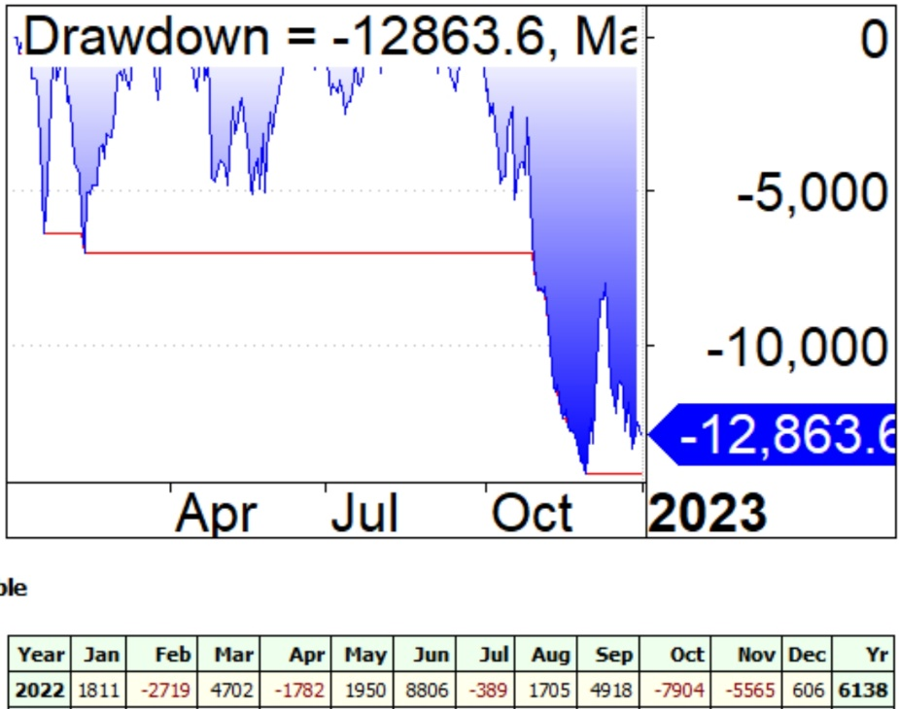

 |  | $PNL POR MESES

Estad
