Operaciones
OPERACIONES DEL SISTEMA AUDAZ
 |  |  |  |  |  |  |  |  | Cum. Profit
Mkt | Long/Short | Date | Price | Ex. date | Ex. Price | Num | Profit | Profit% | 0 | Scale In/Out
GILD | Long | 2023-01-03 | 85.08 | 2023-02-01 | 84.01 | 232 | -268.2 | -1.4% | -268 | 0/0
AZN | Long | 2023-01-03 | 68.65 | 2023-02-01 | 64.44 | 294 | -1,257.7 | -6.2% | -1,526 | 0/0
KHC | Long | 2023-01-03 | 40.53 | 2023-02-01 | 40.42 | 491 | -74.0 | -0.4% | -1,600 | 0/0
ORLY | Long | 2023-01-03 | 842.43 | 2023-02-01 | 788.5601 | 23 | -1,259.0 | -6.5% | -2,859 | 0/0
ROST | Long | 2023-01-03 | 116.23 | 2023-03-01 | 107.3303 | 186 | -1,751.1 | -7.9% | -4,610 | 1/1
CMCSA | Long | 2023-02-01 | 38.96385 | 2023-03-01 | 36.88 | 555 | -1,186.5 | -5.5% | -5,797 | 1/0
AVGO | Long | 2023-02-01 | 583.4008 | 2023-03-01 | 594 | 36 | 351.6 | 1.7% | -5,445 | 1/0
IDXX | Long | 2023-02-01 | 481.7421 | 2023-03-01 | 470.86 | 43 | -497.9 | -2.4% | -5,943 | 1/0
PANW | Long | 2023-03-01 | 186.88 | 2023-04-03 | 198.01 | 111 | 1,215.4 | 5.9% | -4,728 | 0/0
BKNG | Long | 2023-02-01 | 2422.34 | 2023-05-01 | 2680.32 | 8 | 2,043.8 | 10.6% | -2,684 | 0/0
CPRT | Long | 2023-03-01 | 35.18809 | 2023-05-01 | 39.11 | 600 | 2,323.2 | 11.0% | -361 | 1/0
CDNS | Long | 2023-03-01 | 193.14 | 2023-05-01 | 209.3073 | 108 | 1,732.2 | 8.2% | 1,372 | 0/1
ANSS | Long | 2023-03-01 | 302.45 | 2023-05-01 | 312.5183 | 68 | 664.7 | 3.2% | 2,036 | 0/1
AAPL | Long | 2023-04-03 | 164.27 | 2023-06-01 | 177.582 | 134 | 1,780.4 | 8.0% | 3,817 | 0/1
MDLZ | Long | 2023-05-01 | 76.52 | 2023-06-01 | 73.62 | 295 | -875.5 | -3.9% | 2,941 | 0/0
MSFT | Long | 2023-05-01 | 306.97 | 2023-06-01 | 325.93 | 73 | 1,364.1 | 6.1% | 4,305 | 0/0
ORLY | Long | 2023-05-01 | 917.75 | 2023-06-01 | 903.31 | 24 | -366.6 | -1.7% | 3,939 | 0/0
VRTX | Long | 2023-05-01 | 340.22 | 2023-06-01 | 324.47 | 66 | -1,059.5 | -4.7% | 2,879 | 0/0
GOOGL | Long | 2023-06-01 | 122.815 | 2023-07-03 | 119.24 | 184 | -677.8 | -3.0% | 2,201 | 0/0
VRSK | Long | 2023-06-01 | 220.43 | 2023-07-03 | 224.24 | 103 | 372.4 | 1.6% | 2,574 | 0/0
MNST | Long | 2023-06-01 | 58.57 | 2023-07-03 | 57 | 386 | -626.0 | -2.8% | 1,948 | 0/0
CPRT | Long | 2023-06-01 | 43.96 | 2023-08-01 | 44.42064 | 456 | 197.7 | 0.9% | 2,146 | 0/2
ISRG | Long | 2023-06-01 | 308 | 2023-08-01 | 326.4189 | 61 | 1,304.6 | 5.8% | 3,450 | 0/2
CSGP | Long | 2023-07-03 | 88.24 | 2023-08-01 | 84.07253 | 236 | -1,117.7 | -4.9% | 2,332 | 0/1
AAPL | Long | 2023-07-03 | 193.78 | 2023-08-01 | 196.0841 | 111 | 244.2 | 1.1% | 2,577 | 0/1
PANW | Long | 2023-07-03 | 255.1 | 2023-08-01 | 249.8971 | 86 | -498.3 | -2.2% | 2,078 | 0/1
META | Long | 2023-08-01 | 317.2471 | 2023-09-01 | 299.37 | 68 | -1,245.6 | -5.8% | 833 | 1/0
IDXX | Long | 2023-08-01 | 531.5707 | 2023-09-01 | 516.06 | 41 | -665.9 | -3.1% | 167 | 1/0
DDOG | Long | 2023-08-01 | 107.5359 | 2023-09-01 | 97.73 | 242 | -2,403.0 | -9.2% | -2,236 | 1/0
ADBE | Long | 2023-08-01 | 539.6042 | 2023-10-02 | 513.02 | 42 | -1,290.0 | -5.2% | -3,526 | 2/1
ODFL | Long | 2023-09-01 | 429.8021 | 2023-10-02 | 408.4681 | 53 | -1,271.2 | -5.2% | -4,797 | 1/1
CEG | Long | 2023-08-01 | 96.97375 | 2023-11-01 | 112.8919 | 176 | 3,501.7 | 16.1% | -1,296 | 3/3
CHTR | Long | 2023-09-01 | 423.5392 | 2023-11-01 | 406.997 | 45 | -876.8 | -4.1% | -2,173 | 1/2
BKR | Long | 2023-09-01 | 36.39685 | 2023-11-01 | 34.70214 | 579 | -1,204.3 | -4.9% | -3,377 | 1/3
AMGN | Long | 2023-10-02 | 267.71 | 2023-11-01 | 259.003 | 72 | -726.6 | -3.4% | -4,103 | 0/1
FANG | Long | 2023-10-02 | 152.6837 | 2023-12-01 | 154.6303 | 123 | 234.5 | 1.1% | -3,869 | 0/2
VRTX | Long | 2023-11-01 | 364.95 | 2023-12-01 | 355.11 | 53 | -541.5 | -2.8% | -4,410 | 0/0
TMUS | Long | 2023-11-01 | 144.59 | 2023-12-01 | 150.29 | 133 | 738.1 | 3.8% | -3,672 | 0/0
FAST | Long | 2023-11-01 | 58.11552 | 2023-12-01 | 59.40741 | 332 | 408.9 | 2.1% | -3,263 | 0/0
GILD | Long | 2023-11-01 | 79 | 2023-12-01 | 76.78 | 245 | -563.9 | -2.9% | -3,827 | 0/0
MSFT | Open Long | 2023-12-01 | 376.76 | 2023-12-29 | 375.28 | 50 | -94.0 | -0.5% | -3,921 | 0/0
SNPS | Open Long | 2023-12-01 | 543.56 | 2023-12-29 | 517.41 | 35 | -935.3 | -4.9% | -4,857 | 0/0
MELI | Open Long | 2023-12-01 | 1609.33 | 2023-12-29 | 1581.6 | 11 | -325.0 | -1.8% | -5,182 | 0/0
COST | Open Long | 2023-12-01 | 580.0886 | 2023-12-29 | 663.1 | 33 | 2,719.4 | 14.2% | -2,462 | 0/0
CDNS | Open Long | 2023-12-01 | 272.85 | 2023-12-29 | 273.24 | 70 | 7.3 | 0.0% | -2,455 | 0/0

Equity
EQUITY POR DÍAS | DRAWDOWN POR DÍAS

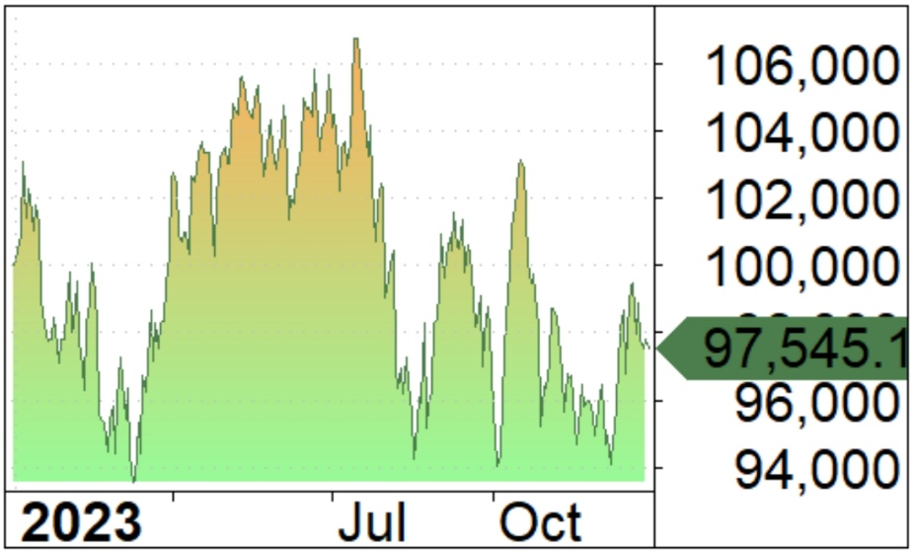
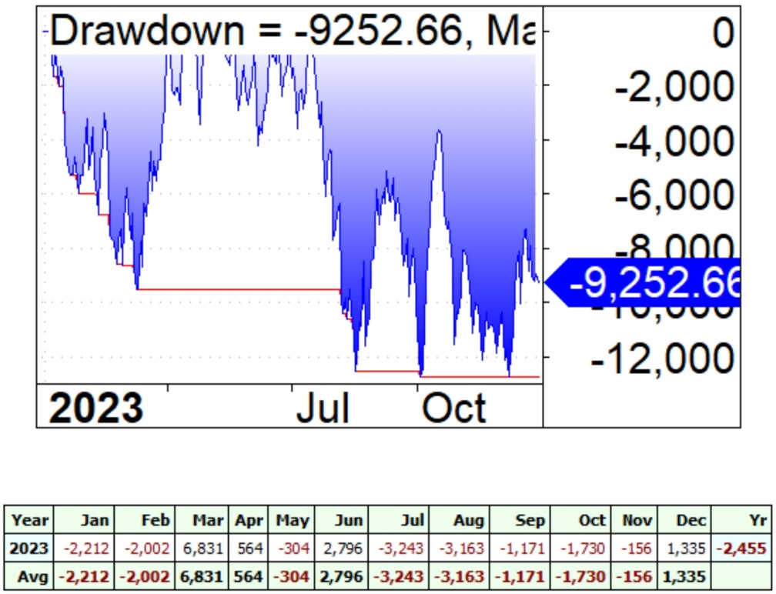

 |  | $PNL POR MESES

Estad
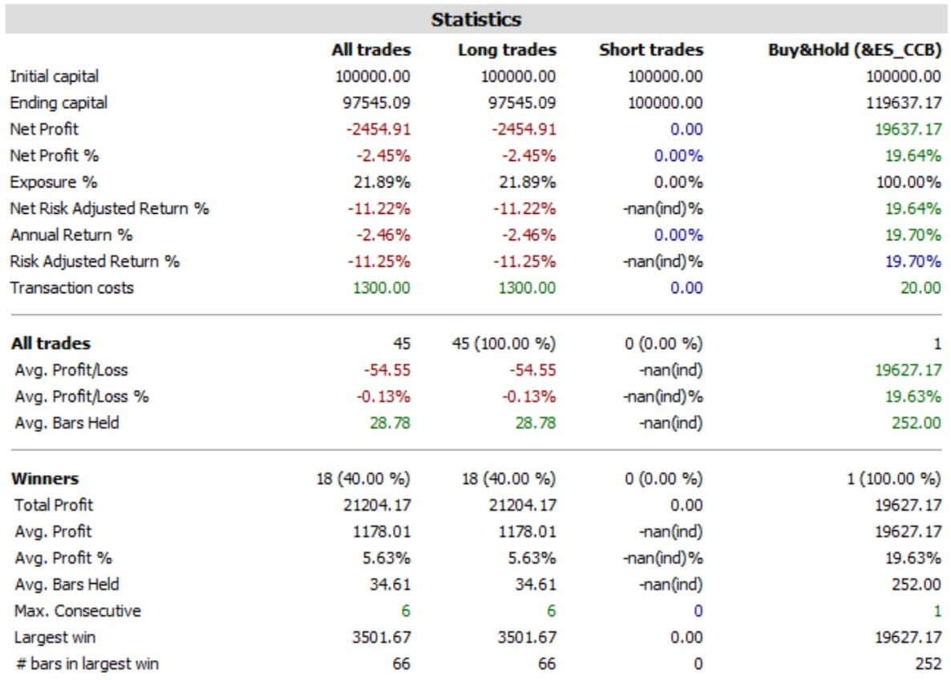

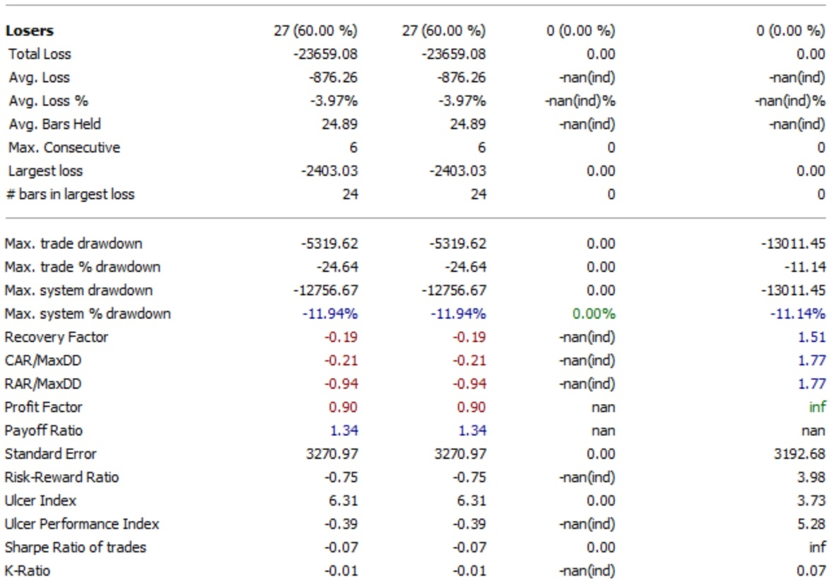

Cobertura
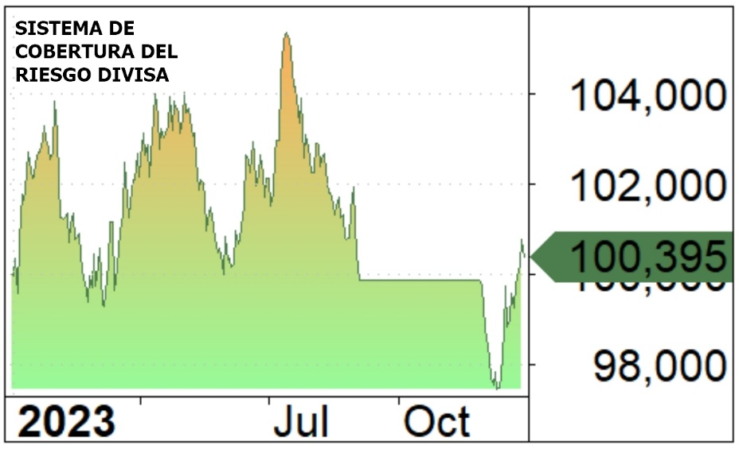
Symbol | Trade | Date | Price | Ex. date | Ex. Price | % chg | Profit | % Profit | Contracts | Position value | Cum. Profit | # bars | Profit/bar | MAE | MFE | Scale In/Out
&6E_CCB | Long | 2023-01-03 | 1.0822 | 2023-09-05 | 1.0813 | -0.08% | -130 | -1625.00% | 8 | 8 | -130 | 169 | -0.77 | -0.95% | 5.30% | 0/0
&6E_CCB | Open Long | 2023-11-28 | 1.10435 | 2023-12-29 | 1.11 | 0.51% | 525 | 6562.50% | 8 | 8 | 395 | 24 | 21.88 | -2.48% | 1.19% | 0/0

