Operaciones
Equity por operaciones
OPERACIONES
MARKET | Long/Short | Date | Price | Ex. date | Ex. Price | Num | PnL | Cum. Profit
FEEDER CATTLE | Long | 2023-01-04 | 232 | 2023-01-06 | 229.55 | 1 | -1,325.0 | -1,325
KC WHEAT | Short | 2023-01-09 | 823.5 | 2023-01-13 | 835.75 | 1 | -712.5 | -2,038
EURO FX | Long | 2023-01-09 | 1.10105 | 2023-01-27 | 1.1075 | 1 | 706.3 | -1,331
EURO FX | Long | 2023-02-01 | 1.11675 | 2023-02-03 | 1.10355 | 1 | -1,750.0 | -3,081
GOLD | Long | 2023-02-01 | 2062.1 | 2023-02-03 | 2011.5 | 1 | -5,160.0 | -8,241
SOYBEAN MEAL | Long | 2023-01-30 | 411.7 | 2023-02-08 | 403.9 | 1 | -880.0 | -9,121
CRUDE OIL | Short | 2023-02-03 | 72.63 | 2023-02-08 | 76.88 | 1 | -4,350.0 | -13,471
SOYBEAN MEAL | Long | 2023-02-10 | 425.1 | 2023-02-16 | 415.2 | 1 | -1,090.0 | -14,561
LEAN HOGS | Short | 2023-03-01 | 63.075 | 2023-03-08 | 64.725 | 2 | -1,420.0 | -15,981
FEEDER CATTLE | Long | 2023-03-06 | 233.85 | 2023-03-13 | 233.775 | 1 | -137.5 | -16,119
SOYBEAN MEAL | Long | 2023-03-06 | 432.9 | 2023-03-13 | 422 | 1 | -1,190.0 | -17,309
CRUDE OIL | Short | 2023-03-13 | 72.47 | 2023-03-22 | 68.31 | 1 | 4,060.0 | -13,249
LEAN HOGS | Short | 2023-03-16 | 62.05 | 2023-03-27 | 56.95 | 2 | 3,980.0 | -9,269
COTTON No 2 | Short | 2023-03-10 | 84.26 | 2023-03-28 | 83.65 | 1 | 205.0 | -9,064
FEEDER CATTLE | Long | 2023-03-31 | 237.075 | 2023-04-04 | 233.825 | 1 | -1,725.0 | -10,789
T-BOND | Long | 2023-04-05 | 134.4062 | 2023-04-12 | 132.5312 | 1 | -1,975.0 | -12,764
LEAN HOGS | Short | 2023-03-31 | 53.975 | 2023-04-17 | 52.15 | 1 | 630.0 | -12,134
NATURAL GAS | Short | 2023-04-14 | 2.904 | 2023-04-17 | 3.159 | 1 | -2,650.0 | -14,784
FEEDER CATTLE | Long | 2023-04-12 | 238.25 | 2023-04-24 | 238.725 | 1 | 137.5 | -14,646
LEAN HOGS | Short | 2023-04-18 | 50.35 | 2023-04-26 | 52.025 | 2 | -1,440.0 | -16,086
EURO FX | Long | 2023-04-04 | 1.11225 | 2023-04-28 | 1.1137 | 1 | 81.3 | -16,005
COTTON No 2 | Short | 2023-04-24 | 82.26 | 2023-05-02 | 83.77 | 1 | -855.0 | -16,860
KC WHEAT | Short | 2023-04-21 | 835 | 2023-05-03 | 797.5 | 1 | 1,775.0 | -15,085
NATURAL GAS | Short | 2023-05-05 | 2.858 | 2023-05-09 | 3.037 | 1 | -1,890.0 | -16,975
LEAN HOGS | Short | 2023-05-05 | 48.35 | 2023-05-15 | 49.625 | 1 | -610.0 | -17,585
T-BOND | Short | 2023-05-18 | 129.1875 | 2023-05-30 | 127.9375 | 1 | 1,150.0 | -16,435
LEAN HOGS | Short | 2023-05-22 | 46.45 | 2023-05-31 | 45.2 | 1 | 400.0 | -16,035
KC WHEAT | Short | 2023-05-31 | 781.25 | 2023-06-05 | 831.5 | 1 | -2,612.5 | -18,648
SOYBEAN MEAL | Short | 2023-05-18 | 358.2 | 2023-06-06 | 346.5 | 2 | 2,240.0 | -16,408
NATURAL GAS | Short | 2023-06-01 | 2.813 | 2023-06-07 | 2.93 | 1 | -1,270.0 | -17,678
FEEDER CATTLE | Long | 2023-05-30 | 238.35 | 2023-06-08 | 241.4 | 1 | 1,425.0 | -16,253
CRUDE OIL | Short | 2023-06-12 | 65.3 | 2023-06-16 | 69.23 | 1 | -4,030.0 | -20,283
COTTON No 2 | Short | 2023-06-21 | 81.97 | 2023-07-03 | 81.91 | 1 | -70.0 | -20,353
S&P500 | Long | 2023-06-30 | 4595 | 2023-07-10 | 4520.75 | 1 | -3,812.5 | -24,165
T-BOND | Short | 2023-06-30 | 126 | 2023-07-12 | 125.6875 | 1 | 212.5 | -23,953
EURO FX | Long | 2023-07-11 | 1.11465 | 2023-07-20 | 1.1293 | 1 | 1,731.3 | -22,221
FEEDER CATTLE | Long | 2023-06-30 | 248.025 | 2023-07-24 | 246.5 | 1 | -862.5 | -23,084
S&P500 | Long | 2023-07-12 | 4599.25 | 2023-07-27 | 4661.25 | 1 | 3,000.0 | -20,084
KC WHEAT | Long | 2023-07-24 | 897.75 | 2023-07-28 | 862.25 | 1 | -1,875.0 | -21,959
T-BOND | Short | 2023-08-01 | 123.0938 | 2023-08-10 | 123.3125 | 1 | -318.7 | -22,277
CRUDE OIL | Long | 2023-08-04 | 80.61 | 2023-08-15 | 79.94 | 1 | -770.0 | -23,047
COTTON No 2 | Long | 2023-08-11 | 89.71 | 2023-08-16 | 86.32 | 1 | -1,795.0 | -24,842
T-BOND | Short | 2023-08-15 | 119.9375 | 2023-08-23 | 120.0312 | 1 | -193.8 | -25,036
NATURAL GAS | Short | 2023-08-24 | 3.016 | 2023-08-28 | 3.195 | 1 | -1,890.0 | -26,926
FEEDER CATTLE | Long | 2023-08-28 | 252.825 | 2023-09-05 | 251.3 | 1 | -862.5 | -27,789
KC WHEAT | Short | 2023-08-29 | 737 | 2023-09-06 | 741 | 1 | -300.0 | -28,089
COTTON No 2 | Long | 2023-09-01 | 90.15 | 2023-09-06 | 88.18 | 2 | -2,070.0 | -30,159
LEAN HOGS | Long | 2023-08-30 | 69.925 | 2023-09-08 | 68.375 | 1 | -720.0 | -30,879
EURO FX | Short | 2023-09-05 | 1.08615 | 2023-09-12 | 1.0848 | 1 | 68.8 | -30,810
NATURAL GAS | Short | 2023-09-06 | 2.984 | 2023-09-12 | 3.132 | 1 | -1,580.0 | -32,390
FEEDER CATTLE | Long | 2023-09-06 | 253.875 | 2023-09-13 | 253.525 | 1 | -275.0 | -32,665
KC WHEAT | Short | 2023-09-11 | 708 | 2023-09-15 | 740.5 | 1 | -1,725.0 | -34,390
LEAN HOGS | Long | 2023-09-12 | 71.525 | 2023-09-18 | 69.625 | 1 | -860.0 | -35,250
FEEDER CATTLE | Long | 2023-09-15 | 256.95 | 2023-09-20 | 253.55 | 1 | -1,800.0 | -37,050
CRUDE OIL | Long | 2023-09-01 | 83.07 | 2023-09-21 | 88 | 1 | 4,830.0 | -32,220
LEAN HOGS | Long | 2023-09-20 | 72.4 | 2023-09-22 | 68.675 | 1 | -1,590.0 | -33,810
SOYBEAN MEAL | Short | 2023-09-19 | 371.9 | 2023-09-27 | 379.6 | 1 | -870.0 | -34,680
CRUDE OIL | Long | 2023-09-27 | 92.52 | 2023-10-03 | 87.96 | 1 | -4,660.0 | -39,340
KC WHEAT | Short | 2023-09-21 | 703.25 | 2023-10-05 | 686 | 1 | 762.5 | -38,578
EURO FX | Short | 2023-09-14 | 1.07755 | 2023-10-06 | 1.067 | 2 | 2,537.5 | -36,040
GOLD | Short | 2023-09-26 | 1941.7 | 2023-10-09 | 1881 | 1 | 5,970.0 | -30,070
T-BOND | Short | 2023-09-19 | 118.1562 | 2023-10-10 | 112.2812 | 1 | 5,775.0 | -24,295
KC WHEAT | Short | 2023-10-12 | 656.25 | 2023-10-20 | 672.75 | 1 | -925.0 | -25,220
T-BOND | Short | 2023-10-18 | 108.9375 | 2023-10-24 | 110.4062 | 1 | -1,568.8 | -26,789
SOYBEAN MEAL | Long | 2023-10-19 | 397.8 | 2023-11-02 | 405.7 | 1 | 690.0 | -26,099
KC WHEAT | Short | 2023-10-25 | 649.5 | 2023-11-06 | 644.5 | 1 | 150.0 | -25,949
COTTON No 2 | Short | 2023-10-31 | 82.83 | 2023-11-14 | 79.32 | 1 | 1,655.0 | -24,294
SOYBEAN MEAL | Long | 2023-11-07 | 431.1 | 2023-11-20 | 434.6 | 1 | 250.0 | -24,044
KC WHEAT | Short | 2023-11-17 | 619.75 | 2023-11-29 | 617.75 | 1 | 0.0 | -24,044
FEEDER CATTLE | Short | 2023-11-07 | 236.325 | 2023-12-11 | 217.4 | 1 | 9,362.5 | -14,681
NATURAL GAS | Short | 2023-11-17 | 3.01 | 2023-12-15 | 2.359 | 1 | 6,410.0 | -8,271
COTTON No 2 | Short | 2023-12-21 | 78.59 | 2023-12-22 | 80.59 | 1 | -1,100.0 | -9,371
LEAN HOGS | Long | 2023-12-15 | 70.55 | 2023-12-26 | 69.75 | 1 | -420.0 | -9,791
EURO FX | Open Long | 2023-12-22 | 1.1068 | 2023-12-29 | 1.11 | 1 | 300.0 | -9,491

Equity
EQUITY POR DÍAS | DRAWDOWN POR DÍAS

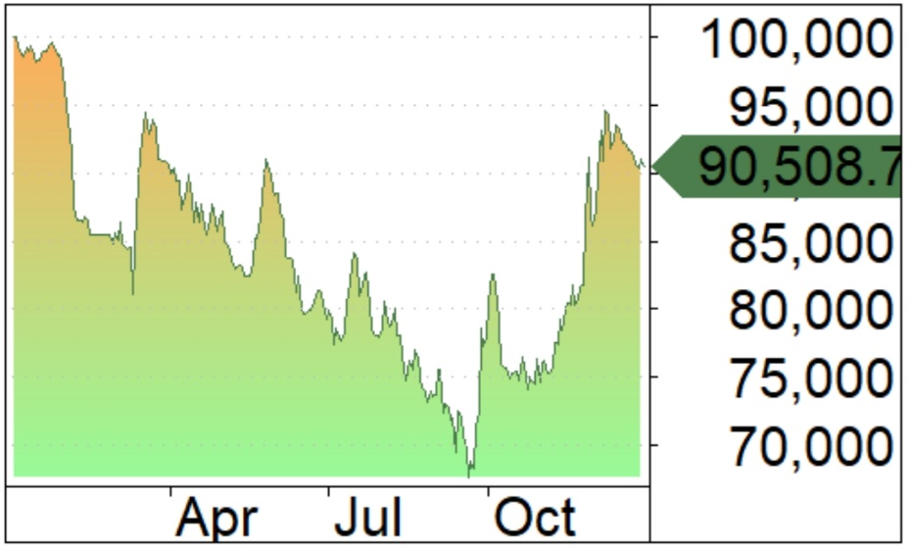
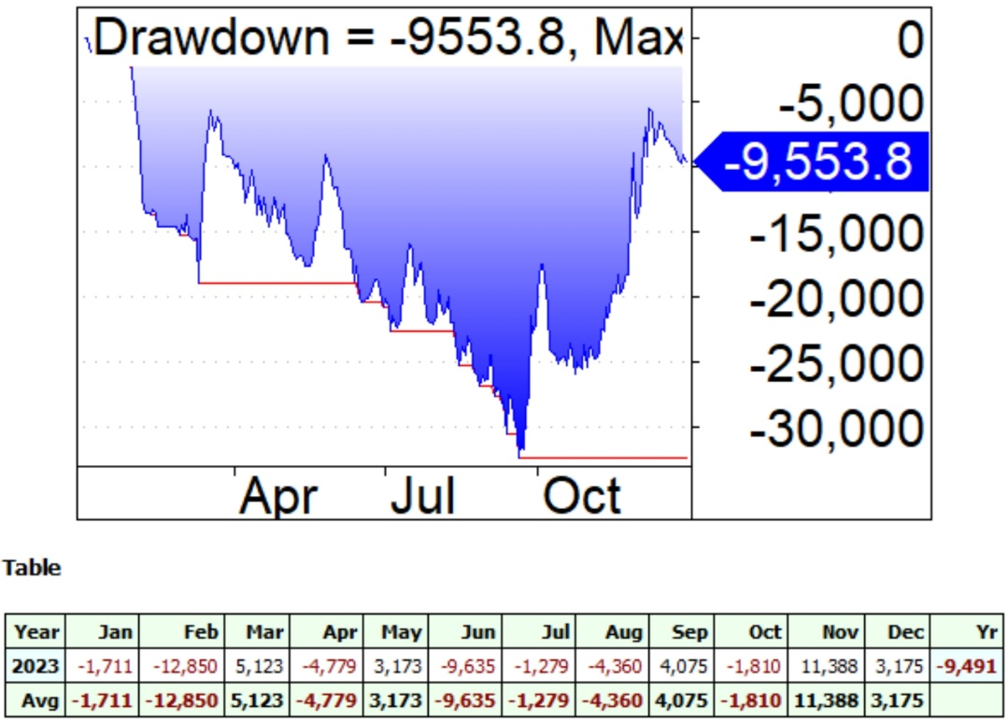

 |  | $PNL POR MESES

Estad
